Sheet1
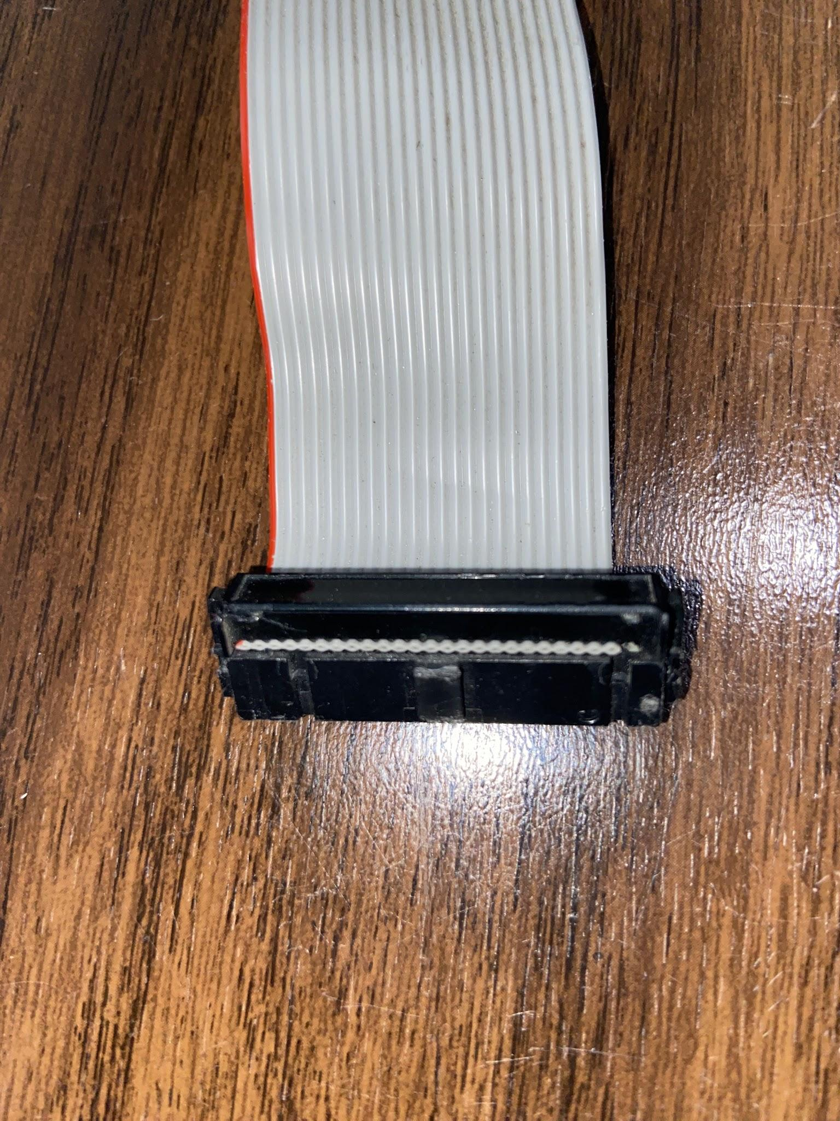
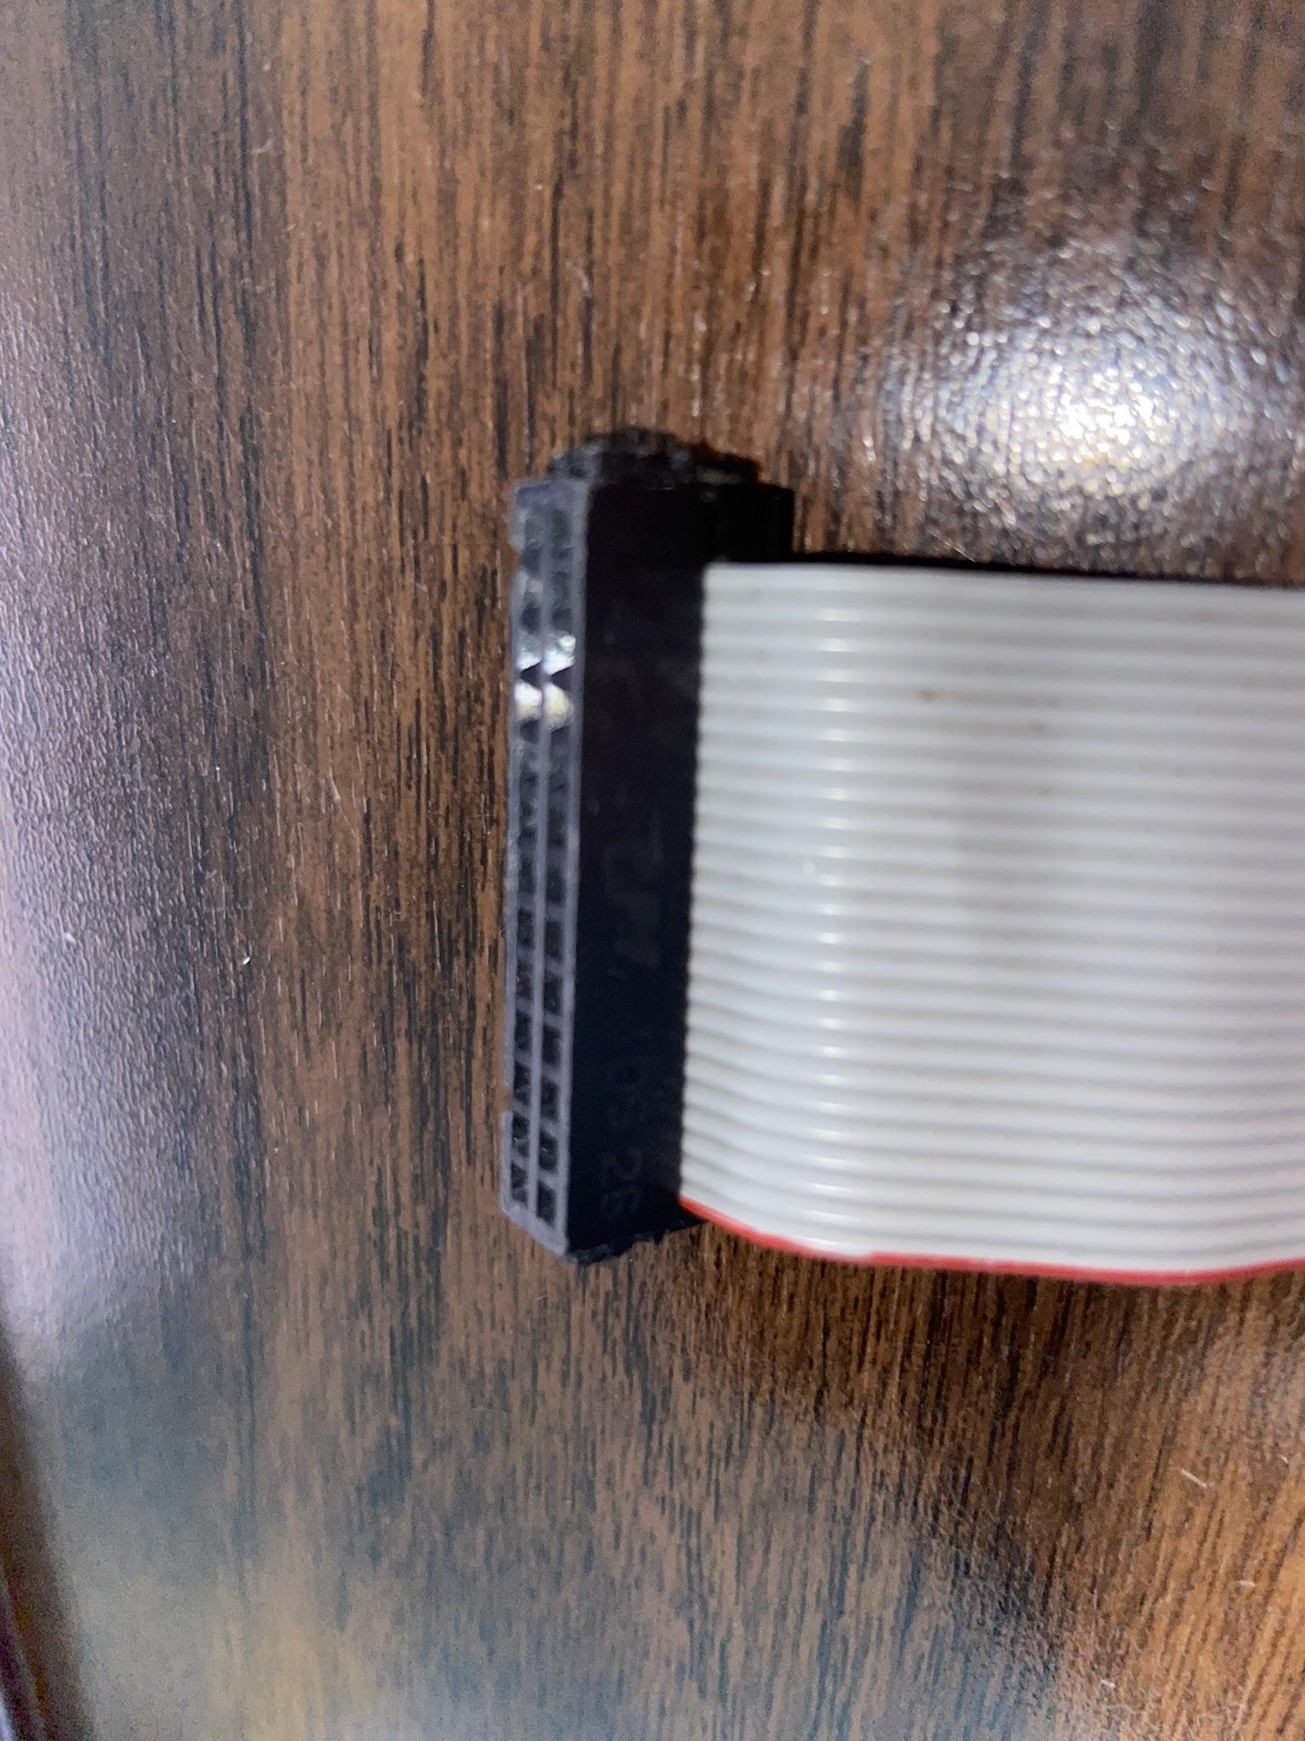
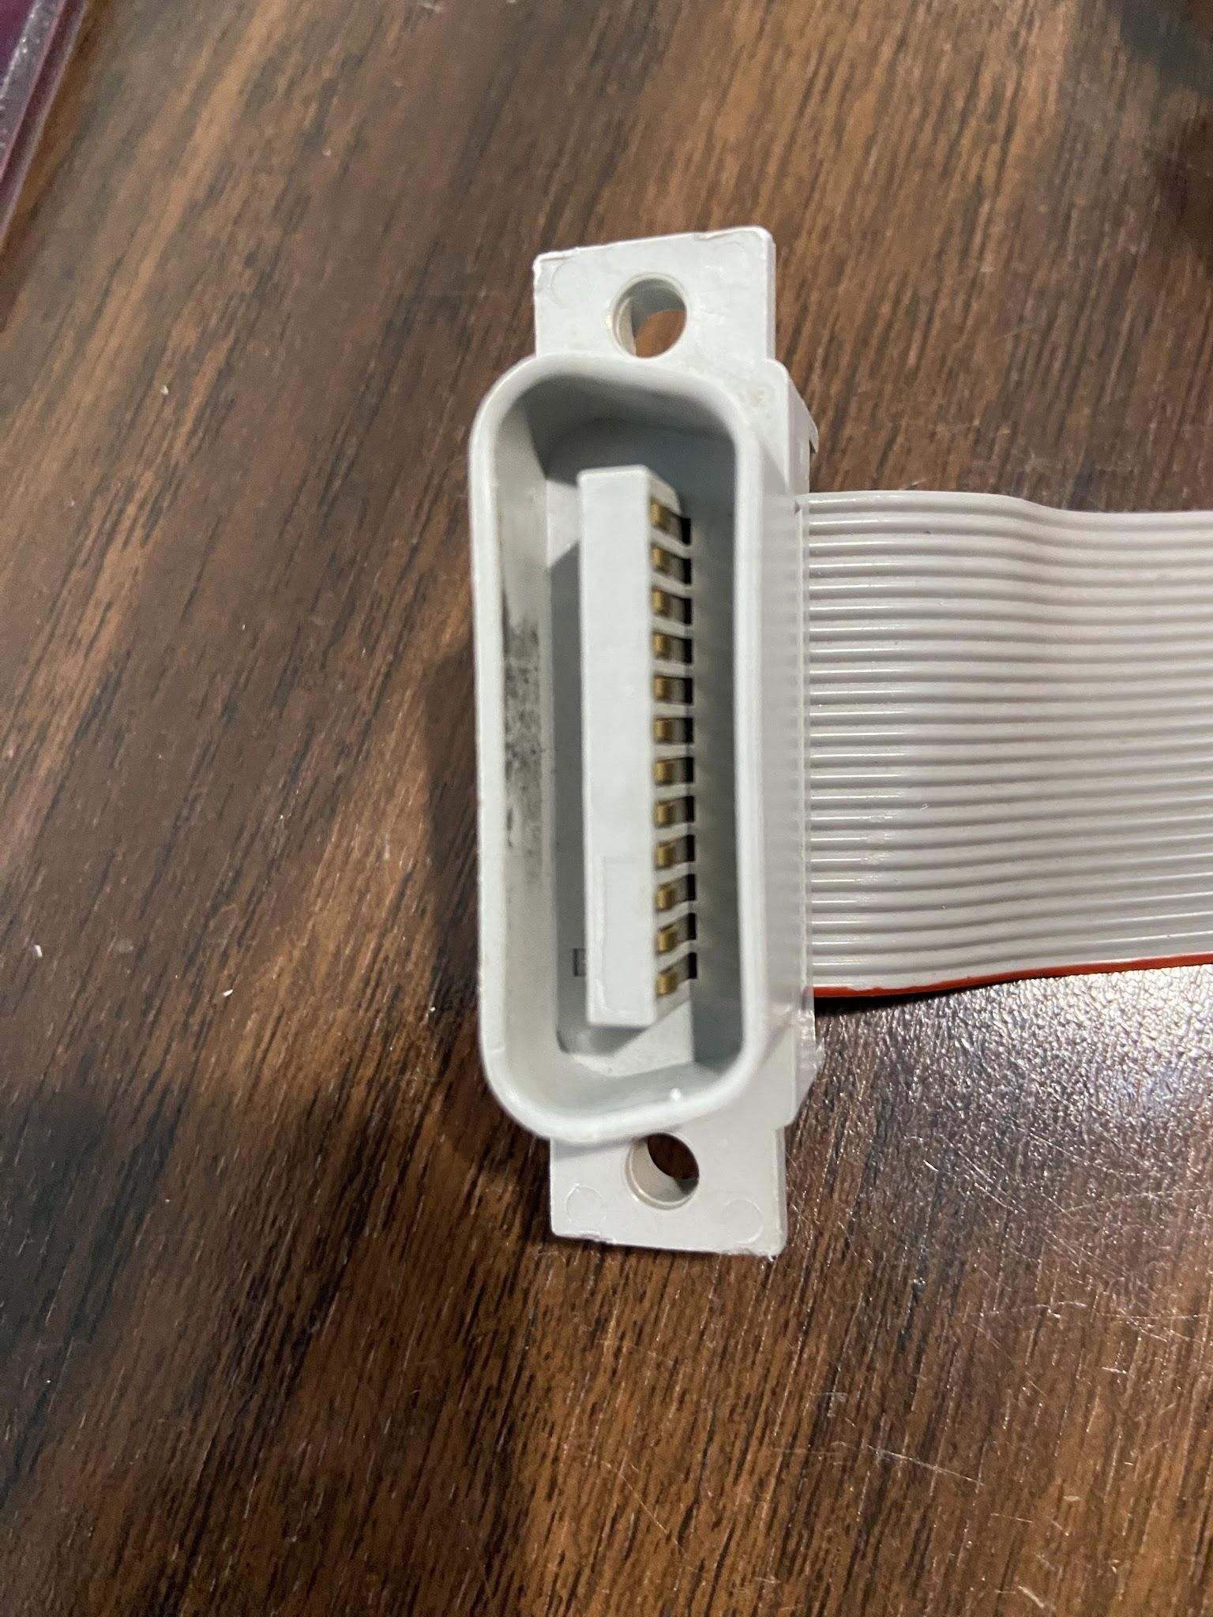
Quantity | Reference | Manufacturer | Manufacturer Part Number | Distributor | Dist. Part Number | Note
1 |  |  |  |  | A1559-ND | LD-V1000 connector
1 |  |  |  |  | AE24G-300-ND | ribbon cable (300 feet)
1 |  |  |  |  | LKR26H-ND | female connector

 |  |  |  |  |  | 3.5 feet of ribbon per cable

